Source
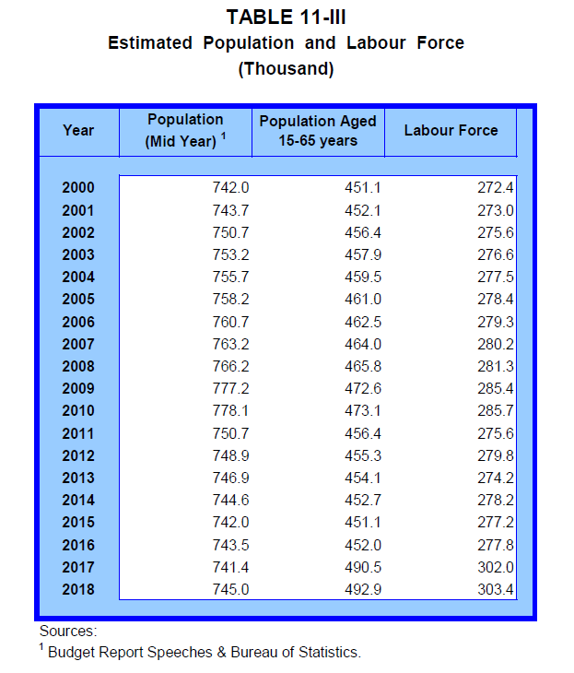
Consumer Price Index

 | The values in Consumer Price Index data for eGDDS are sourced from data published on the Bank of Guyana website, citing the Bureau of Statistics as the main source.
 | Central Bank of Guyana/Bureau of Statistics, CPI

1/ preliminary dataset for dissemination in eGDDS, pending sign-off from authorities

